TestSummary
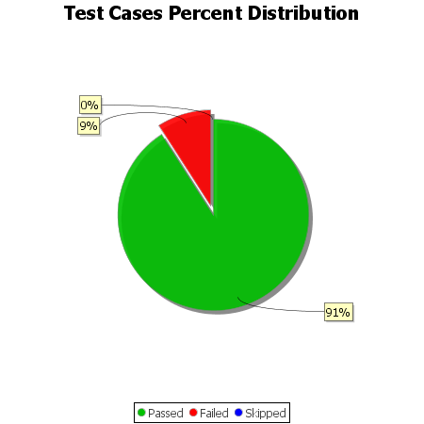
Total Test Cases | 11
Test Cases Passed | 10
Test Cases Failed | 1
Test Cases Skipped | 0

